Block Diagram
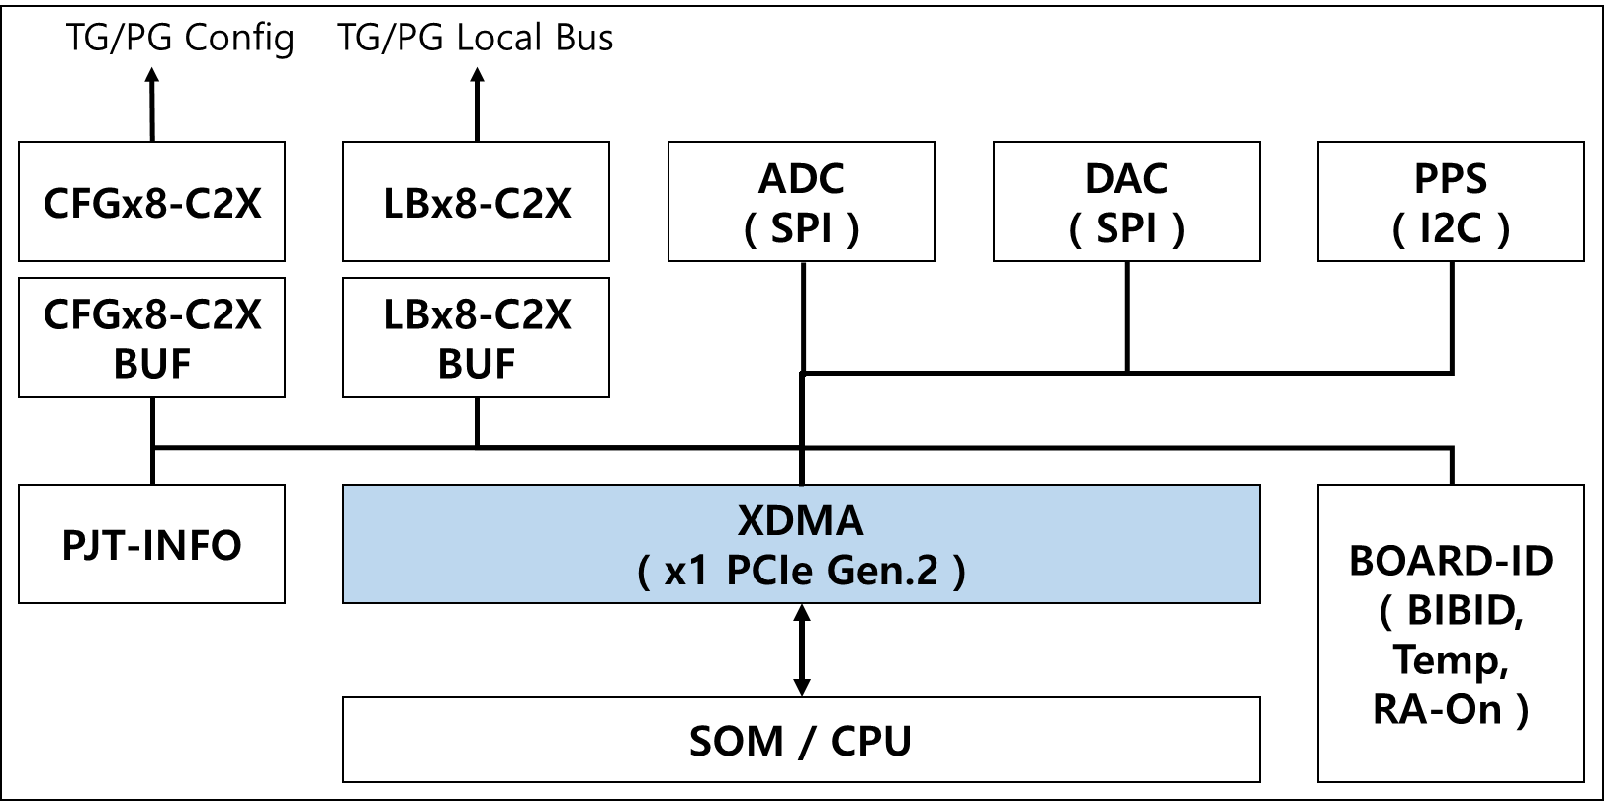

Addres Map
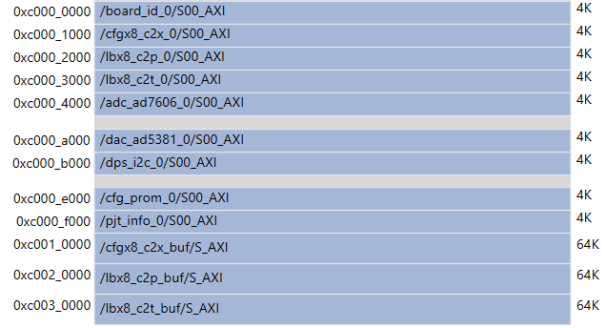
Cell | Base Name | Offset Address | Range | High Address | REMARK
BAR2 ( pcie_xdma_bypass : base [ 0xC000_0000 ] )
BOARD-ID | Reg | 0x0000_0000 | 4K | 0x0000_0FFF
CFGx8-C2X | Reg | 0x0000_1000 | 4K | 0x0000_1FFF
LBx8-C2P | Reg | 0x0000_2000 | 4K | 0x0000_2FFF
LBx8-C2T | Reg | 0x0000_3000 | 4K | 0x0000_3FFF
ADC-AD7606 | Reg | 0x0000_4000 | 4K | 0x0000_4FFF

DAC-DAC5381 | Reg | 0x0000_A000 | 4K | 0x0000_AFFF
PPS | Reg | 0x0000_B000 | 4K | 0x0000_BFFF

CFG-PROM | Reg | 0x0000_E000 | 4K | 0x0000_EFFF
PJT-INFO | Reg | 0x0000_F000 | 4K | 0x0000_FFFF

CFGx8-C2X_BUF | Reg | 0x0001_0000 | 64K | 0x0001_FFFF
LBx8-C2P_BUF | Reg | 0x0002_0000 | 64K | 0x0002_FFFF
LBx8-C2T_BUF | Reg | 0x0003_0000 | 64K | 0x0003_FFFF

BOARD-ID
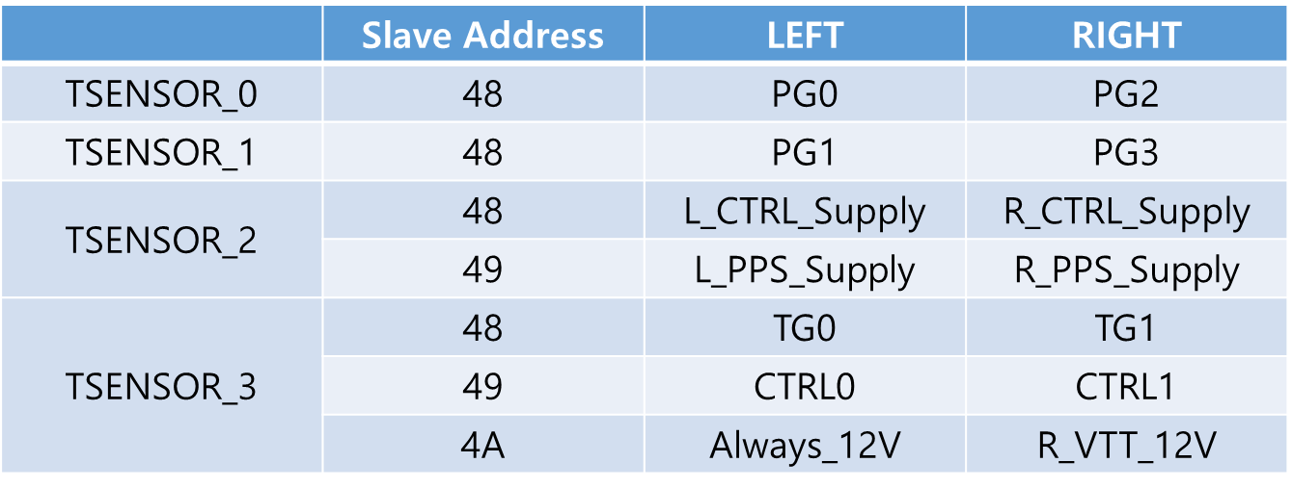
 | DEVICE | BASE | OFFSET | NAME | RW | 31 | 30 | 29 | 28 | 27 | 26 | 25 | 24 | 23 | 22 | 21 | 20 | 19 | 18 | 17 | 16 | 15 | 14 | 13 | 12 | 11 | 10 | 9 | 8 | 7 | 6 | 5 | 4 | 3 | 2 | 1 | 0
0 | BOARD-ID @ CTRL | 0000_0 | 000 | NAME | RO | "BOARD-ID"
1 |  |  | 004 |  | RO
2 |  |  | 008 |  | RO
3 |  |  | 00C |  | RO
4 |  |  | 010 | VERSION | RO |  |  |  |  |  |  |  |  |  |  |  |  |  |  |  |  | MAJOR ( DECIMAL ) |  |  |  |  |  |  |  | MINOR ( DECIMAL )
5 |  |  | 014 | DATE | RO |  |  |  |  |  |  |  |  | YEAR ( DECIMAL ) |  |  |  |  |  |  |  | MONTH ( DECIMAL ) |  |  |  |  |  |  |  | DATE ( DECIMAL )
6 |  |  | 018 | DUMMY | RW
7 |  |  | 01C | CTRL.ID | RO |  |  |  |  |  |  |  |  |  |  |  |  |  |  |  |  |  |  |  |  |  |  |  |  |  |  |  |  |  |  |  | ID
8 |  |  | 020 | BIB.INUSE | RO |  |  |  |  |  |  |  |  |  |  |  |  |  |  |  |  |  |  |  |  |  |  |  |  |  |  |  |  |  |  |  | INUSE
9 |  |  | 024 | BIB.ID | RW |  |  |  |  |  |  |  |  |  |  |  |  |  |  |  |  |  |  |  |  |  |  |  |  |  |  |  |  | BIB.SEL[3:0]
10 |  |  | 028 | BIB.CW | RO |  |  |  |  |  |  |  |  |  |  |  |  |  |  |  |  |  |  |  |  |  |  |  |  | BIB.ID[7:0]
11 |  |  | 02C | SITE.ID | RO |  |  |  |  |  |  |  |  |  |  |  |  |  |  |  |  |  |  |  |  |  |  |  |  | SITE.ID[7:0]
12 |  |  | 030 | RA.CTRL | RW |  |  |  |  |  |  |  |  |  |  |  |  |  |  |  |  |  |  |  |  |  |  |  | FWU |  |  |  |  |  |  |  | ON
13 |  |  | 034
14 |  |  | 038
15 |  |  | 03C
16 |  |  | 040 | TEMP.SENSOR | RO | PG1 |  |  |  |  |  |  |  |  |  |  |  |  |  |  |  | PG0
17 |  |  | 044 |  | RO | PPS_SUPPLY |  |  |  |  |  |  |  |  |  |  |  |  |  |  |  | CTRL_SUPPLY
18 |  |  | 048 |  | RO | CTRL0 |  |  |  |  |  |  |  |  |  |  |  |  |  |  |  | TG0
19 |  |  | 04C |  | RO |  |  |  |  |  |  |  |  |  |  |  |  |  |  |  |  | ALWAYS_12V

 |  |  |  |  |  |  | CTRL.ID [ 0x0000_0_01C ] |  |  |  |  |  |  |  |  |  | BIB.INUSE [ 0x0000_0_020 ]
 |  |  |  |  |  |  | ID[0] |  | 0 for CTRL.0 / 1 for CTRL.1 |  |  |  |  |  |  |  | INUSE |  | Active high, read-only INUSE pin. INUSE = 1 indicates BIB is inserted.

 |  |  |  |  |  |  | BIB.SEL [ 0x0000_0_024 ] |  |  |  |  |  |  |  |  |  | BIB.ID [ 0x0000_0_028 ]
 |  |  |  |  |  |  | BIB.SEL |  | 4-bit BIB.SEL |  |  |  |  |  |  |  | BIB.ID |  | 8-bit BIB.ID

 |  |  |  |  |  |  | RA.CTRL [ 0x0000_0_030 ]
 |  |  |  |  |  |  | FWU[8] |  | Active high
 |  |  |  |  |  |  | ON[0] |  | Active high

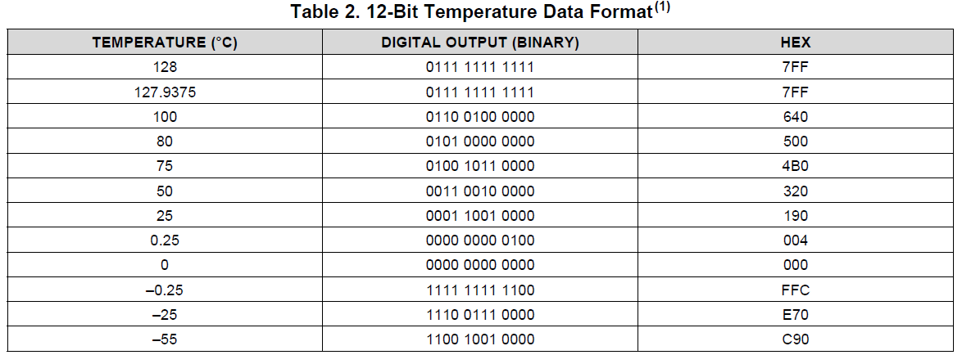
 |  |  |  |  |  |  | TSENSOR.0~3 [ 0x0000_0_040 ~ 44 ]
 |  |  |  |  |  |  | TSENSOR |  | 12-bit

CFGx8-C2X
 |  |  |  |  |  | 3 |  |  |  |  |  |  |  | 2 |  |  |  |  |  |  |  | 1 |  |  |  |  |  |  |  | 0
 | DEVICE | BASE | OFFSET | NAME | RW | 31 | 30 | 29 | 28 | 27 | 26 | 25 | 24 | 23 | 22 | 21 | 20 | 19 | 18 | 17 | 16 | 15 | 14 | 13 | 12 | 11 | 10 | 9 | 8 | 7 | 6 | 5 | 4 | 3 | 2 | 1 | 0
0 | CFGx8-C2X @ CTRL to TGPG | 0000_1 | 000 | NAME | RO | "CFGx8-C2X"
1 |  |  | 004 |  | RO
2 |  |  | 008 |  | RO
3 |  |  | 00C |  | RO
4 |  |  | 010 | VERSION | RO |  |  |  |  |  |  |  |  |  |  |  |  |  |  |  |  | MAJOR ( DECIMAL ) |  |  |  |  |  |  |  | MINOR ( DECIMAL )
5 |  |  | 014 | DATE | RO |  |  |  |  |  |  |  |  | YEAR ( DECIMAL ) |  |  |  |  |  |  |  | MONTH ( DECIMAL ) |  |  |  |  |  |  |  | DATE ( DECIMAL )
6 |  |  | 018 | DUMMY | RW
7 |  |  | 01C | DUMMY | RW
8 |  |  | 020 | CMD | RW | RST |  |  |  |  |  | LAST | START | PG.3 | PG.2 | PG.1 | PG.0 |  |  | TG.1 | TG.0 | BURST.LENGTH[15:0]
9 |  |  | 024
10 |  |  | 028
11 |  |  | 02C
12 |  |  | 030 | STATUS | RO |  |  |  |  |  |  |  | D.ALL | D.PG3 | D.PG2 | D.PG1 | D.PG0 |  |  | D.TG1 | D.TG0 |  |  |  |  |  |  |  |  | INIT.E | D.E | INI.S | D.S | EOS |  |  | BUSY

- Normal burning board에서는 PG_0 만 사용
- PG_3~1, TG_1~0 은 HSBI를 위한 옵션
 |  |  |  |  |  |  | CMD [ 0x0000_1_020 ]
 |  |  |  |  |  |  | RST[31] |  | Active high, reset the Logic IP |  |  |  |  |  |  |  |  | PG.3~0[23:20] |  |  | PG FPGA Select bit |  |  |  |  |  | BL[15:0] |  | Byte size of transfer data. 0 means 1-Byte, max 64KB
 |  |  |  |  |  |  | LAST[25] |  | Active high, transfer the Last Frame of Bitstream |  |  |  |  |  |  |  |  | TG.1~0[17:16] |  |  | TG FPGA Select bit
 |  |  |  |  |  |  | START[24] |  | Active high, transfer the Frame of Bitstream, except of Last Frame

 |  |  |  |  |  |  | STATUS [ 0x0000_1_030 ]
 |  |  |  |  |  |  | D.ALL[24] |  | And of all FPGA done signal |  |  |  |  |  |  | INIT.E[7] |  | Active high, INIT_B Error |  |  |  |  |  |  | EOS[3] |  | 1 indicates the end of operation
 |  |  |  |  |  |  | D.PG[23:20] |  | Each PG FPGA done signal |  |  |  |  |  |  | D.E[6] |  | Active high, Done Error |  |  |  |  |  |  | BUSY[0] |  | 1 indicates that the IP is BUSY
 |  |  |  |  |  |  | D.TG[17:16] |  | Each TG FPGA done signal |  |  |  |  |  |  | INI.S[5] |  | INIT_B Signal of selected FPGA
 |  |  |  |  |  |  |  |  |  |  |  |  |  |  |  | D.S[4] |  | DONE Signal of selected FPGA

LBx8-C2P
 |  |  |  |  |  | 3 |  |  |  |  |  |  |  | 2 |  |  |  |  |  |  |  | 1 |  |  |  |  |  |  |  | 0
 | DEVICE | BASE | OFFSET | NAME | RW | 31 | 30 | 29 | 28 | 27 | 26 | 25 | 24 | 23 | 22 | 21 | 20 | 19 | 18 | 17 | 16 | 15 | 14 | 13 | 12 | 11 | 10 | 9 | 8 | 7 | 6 | 5 | 4 | 3 | 2 | 1 | 0
0 | LBx8_MASTER @ CTRL to PG | 0000_2 | 000 | NAME | RO | "LBx8-C2P"
1 |  |  | 004 |  | RO
2 |  |  | 008 |  | RO
3 |  |  | 00C |  | RO
4 |  |  | 010 | VERSION | RO |  |  |  |  |  |  |  |  |  |  |  |  |  |  |  |  | MAJOR ( DECIMAL ) |  |  |  |  |  |  |  | MINOR ( DECIMAL )
5 |  |  | 014 | DATE | RO |  |  |  |  |  |  |  |  | YEAR ( DECIMAL ) |  |  |  |  |  |  |  | MONTH ( DECIMAL ) |  |  |  |  |  |  |  | DATE ( DECIMAL )
6 |  |  | 018 | DUMMY | RW
7 |  |  | 01C | DUMMY | RW
8 |  |  | 020 | ADDRESS | RW | ADDR[31:0]
9 |  |  | 024 | CMD | RW | RST |  |  | DDR | MSB[27:26] |  | WR | RD |  |  |  |  | PG.3 | PG.2 | PG.1 | PG.0 | BURST.LENGTH[15:0]
10 |  |  | 028 | LB.CLK.SEL | RW | LB.CLK.SEL
11 |  |  | 02C | LATENCY | RW |  |  |  |  |  |  |  |  |  |  |  |  |  |  |  |  |  |  |  |  |  |  |  |  | READ.LATENCY[7:0]
12 |  |  | 030 | STATUS | RO | PG.3.STATUS |  |  |  |  |  |  |  | PG.2.STATUS |  |  |  |  |  |  |  | PG.1.STATUS |  |  |  |  |  |  |  | WC.E | WD.E | RC.E | RD.E | EOS |  |  | BUSY

- WRITE : multiple FPGA 동시 쓰기 가능
- READ : 하나의 FPGA만 읽기 가능
 |  |  |  |  |  |  | ADDRESS [ 0x0000_2_020 ]
 |  |  |  |  |  |  | ADDR |  | PG_# 32-bit Address, 4GB range

 |  |  |  |  |  |  | CMD [ 0x0000_2_024 ]
 |  |  |  |  |  |  | RST[31] |  | Active high, reset the Logic IP |  |  |  |  |  |  | PG.3~0[19:16] |  |  | PG FPGA Select bit |  |  |  |  |  | BL[15:0] |  | Byte size of transfer data. 0 means 1-Byte, max 63KB
 |  |  |  |  |  |  | DDR.MSB |  | For 16GB SODIMM access
 |  |  |  |  |  |  | WR[25] |  | Active high, do write operation |  |  |  |  |  |  | DDR | MSB[27:26] |  | WR | RD
 |  |  |  |  |  |  | RD[24] |  | Active high, do read operation |  |  |  |  |  |  | 0 | x | x | 1 | 0 | Write PG Register
 |  |  |  |  |  |  |  |  |  |  |  |  |  |  |  | 0 | x | x | 0 | 1 | Read PG Register
 |  |  |  |  |  |  | LB.CLK.SEL [ 0x0000_2_028 ] |  |  |  |  |  |  |  |  | 1 | 0 | 0 | 1 | 0 | Write SODIMM w/ 0x0_0000_0000 ~ 0x0_FFFF_FFFF, lowest 4GB / 16GB
 |  |  |  |  |  |  | 0 |  | 0011 |  |  |  |  |  |  | 1 | 0 | 1 | 0 | 1 | Read SODIMM w/ 0x1_0000_0000 ~ 0x1_FFFF_FFFF
 |  |  |  |  |  |  | 1 |  | 0110, default |  |  |  |  |  |  | 1 | 1 | 0 | 1 | 0 | Write SODIMM w/ 0x2_0000_0000 ~ 0x2_FFFF_FFFF
 |  |  |  |  |  |  | 2 |  | 1100 |  |  |  |  |  |  | 1 | 1 | 1 | 0 | 1 | Read SODIMM w/ 0x3_0000_0000 ~ 0x3_FFFF_FFFF, uppest 4GB / 16GB
 |  |  |  |  |  |  | 3 |  | 1001

 |  |  |  |  |  |  | LATENCY [ 0x0000_2_02C ]
 |  |  |  |  |  |  | RL[7:0] |  | Set as PG Register Read Latency.
 |  |  |  |  |  |  |  |  | Default, RL = 0

 |  |  |  |  |  |  | STATUS [ 0x0000_2_030 ]
 |  |  |  |  |  |  | WC.E[7] |  | LB write command error |  |  |  |  |  |  | EOS[3] |  | 1 indicates the end of operation
 |  |  |  |  |  |  | WD.E[6] |  | LB write data CRC error |  |  |  |  |  |  | BUSY[0] |  | 1 indicates that the IP is BUSY
 |  |  |  |  |  |  | RC.E[5] |  | LB read command error
 |  |  |  |  |  |  | RD.E[4] |  | LB read data CRC error

LBx8-C2T
 |  |  |  |  |  | 3 |  |  |  |  |  |  |  | 2 |  |  |  |  |  |  |  | 1 |  |  |  |  |  |  |  | 0
 | DEVICE | BASE | OFFSET | NAME | RW | 31 | 30 | 29 | 28 | 27 | 26 | 25 | 24 | 23 | 22 | 21 | 20 | 19 | 18 | 17 | 16 | 15 | 14 | 13 | 12 | 11 | 10 | 9 | 8 | 7 | 6 | 5 | 4 | 3 | 2 | 1 | 0
0 | LBx8_MASTER @ CTRL to TG | 0000_3 | 000 | NAME | RO | "LBx8-C2T"
1 |  |  | 004 |  | RO
2 |  |  | 008 |  | RO
3 |  |  | 00C |  | RO
4 |  |  | 010 | VERSION | RO |  |  |  |  |  |  |  |  |  |  |  |  |  |  |  |  | MAJOR ( DECIMAL ) |  |  |  |  |  |  |  | MINOR ( DECIMAL )
5 |  |  | 014 | DATE | RO |  |  |  |  |  |  |  |  | YEAR ( DECIMAL ) |  |  |  |  |  |  |  | MONTH ( DECIMAL ) |  |  |  |  |  |  |  | DATE ( DECIMAL )
6 |  |  | 018 | DUMMY | RW
7 |  |  | 01C | DUMMY | RW
8 |  |  | 020 | ADDRESS | RW | ADDR[31:0]
9 |  |  | 024 | CMD | RW | RST |  |  |  |  |  | WR | RD |  |  |  |  |  |  | TG.1 | TG.0 | BURST.LENGTH[15:0]
10 |  |  | 028 | LB.CLK.SEL | RW | LB.CLK.SEL
11 |  |  | 02C | LATENCY | RW |  |  |  |  |  |  |  |  |  |  |  |  |  |  |  |  |  |  |  |  |  |  |  |  | READ.LATENCY[7:0]
12 |  |  | 030 | STATUS | RO |  |  |  |  |  |  |  |  |  |  |  |  |  |  |  |  | TG.1.STATUS |  |  |  |  |  |  |  | WC.E | WD.E | RC.E | RD.E | EOS |  |  | BUSY

- WRITE : multiple FPGA 동시 쓰기 가능
- READ : 하나의 FPGA만 읽기 가능
 |  |  |  |  |  |  | ADDRESS [ 0x0000_3_020 ]
 |  |  |  |  |  |  | ADDR |  | TG_# 32-bit Address, 4GB range

 |  |  |  |  |  |  | CMD [ 0x0000_3_024 ]
 |  |  |  |  |  |  | RST[31] |  | Active high, reset the Logic IP |  |  |  |  |  |  | TG.1~0[17:16] |  |  | TG FPGA Select bit |  |  |  |  |  | BL[15:0] |  | Byte size of transfer data. 0 means 1-Byte, max 64KB
 |  |  |  |  |  |  | WR[25] |  | Active high, do write operation
 |  |  |  |  |  |  | RD[24] |  | Active high, do read operation

 |  |  |  |  |  |  | LATENCY [ 0x0000_3_02C ]
 |  |  |  |  |  |  | RL[7:0] |  | Set as PG Register Read Latency.
 |  |  |  |  |  |  |  |  | Default, RL = 0

 |  |  |  |  |  |  | STATUS [ 0x0000_3_030 ]
 |  |  |  |  |  |  | WC.E[7] |  | LB write command error |  |  |  |  |  |  | EOS[3] |  | 1 indicates the end of operation
 |  |  |  |  |  |  | WD.E[6] |  | LB write data CRC error |  |  |  |  |  |  | BUSY[0] |  | 1 indicates that the IP is BUSY
 |  |  |  |  |  |  | RC.E[5] |  | LB read command error
 |  |  |  |  |  |  | RD.E[4] |  | LB read data CRC error

ADC-AD7606
 |  |  |  |  |  | 3 |  |  |  |  |  |  |  | 2 |  |  |  |  |  |  |  | 1 |  |  |  |  |  |  |  | 0
 | DEVICE | BASE | OFFSET | NAME | RW | 31 | 30 | 29 | 28 | 27 | 26 | 25 | 24 | 23 | 22 | 21 | 20 | 19 | 18 | 17 | 16 | 15 | 14 | 13 | 12 | 11 | 10 | 9 | 8 | 7 | 6 | 5 | 4 | 3 | 2 | 1 | 0
0 | ADC-AD7606 @ CTRL | 0000_4 | 000 | NAME | RO | "ADC-AD7606"
1 |  |  | 004 |  | RO
2 |  |  | 008 |  | RO
3 |  |  | 00C |  | RO
4 |  |  | 010 | VERSION | RO |  |  |  |  |  |  |  |  |  |  |  |  |  |  |  |  | MAJOR ( DECIMAL ) |  |  |  |  |  |  |  | MINOR ( DECIMAL )
5 |  |  | 014 | DATE | RO |  |  |  |  |  |  |  |  | YEAR ( DECIMAL ) |  |  |  |  |  |  |  | MONTH ( DECIMAL ) |  |  |  |  |  |  |  | DATE ( DECIMAL )
6 |  |  | 018 | DUMMY | RW
7 |  |  | 01C | DUMMY | RW
8 |  |  | 020 | CMD | RW |  |  |  |  |  |  |  |  |  |  |  |  |  |  |  |  |  |  |  |  |  |  |  | RST | SELECT |  | CLR | SET | MUX[3:0]
9 |  |  | 024 | SETTLING | RW | SETTLING.TIME[31:0]
10 |  |  | 028 | RANGE | RW |  |  |  |  |  |  |  |  |  |  |  |  |  |  |  |  |  |  |  |  |  |  |  |  |  |  |  |  |  |  | R.1 | R.0
11 |  |  | 02C | OS | RW |  |  |  |  |  |  |  |  |  |  |  |  |  |  |  |  |  |  |  |  |  |  |  |  |  | OS.1[6:4] |  |  |  | OS.0[2:0]
12 |  |  | 030 | STATUS | RO |  |  |  |  |  |  |  |  |  |  |  |  |  |  |  |  |  |  |  |  |  |  |  | EOS | SELECT |  | CLR | SET | MUX[3:0]

16 |  |  | 040 | MUX_ADC | RO | MUX_ADC1 |  |  |  |  |  |  |  |  |  |  |  |  |  |  |  | MUX_ADC0
17 |  |  | 044 |  | RO | MUX_ADC3 |  |  |  |  |  |  |  |  |  |  |  |  |  |  |  | MUX_ADC2
18 |  |  | 048 |  | RO | MUX_ADC5 |  |  |  |  |  |  |  |  |  |  |  |  |  |  |  | MUX_ADC4
19 |  |  | 04C |  | RO | MUX_ADC7 |  |  |  |  |  |  |  |  |  |  |  |  |  |  |  | MUX_ADC6

HMBT400에는 ADC 1EA만 있으므로, SELECT = 0
 |  |  |  |  |  |  | CMD [ 0x0000_4_020 ]
 |  |  |  |  |  |  | RST[8] |  | Active high, reset the Logic IP |  |  |  |  |  |  | MUX[3:0] |  | ADC_0 Selected
 |  |  |  |  |  |  | SELECT[7:6] |  | ADC No. ( 0 or 1 )
 |  |  |  |  |  |  | CLR[5] |  | Active high, ADC clear operation
 |  |  |  |  |  |  | SET[4] |  | Active high, do conversion operation

 |  |  |  |  |  |  | SETTLING [ 0x0000_4_024 ]
 |  |  |  |  |  |  | SETTLING |  | Settling time before ADC conversion, 10ns/LSB

 |  |  |  |  |  |  | RANGE [ 0x0000_4_028 ]
 |  |  |  |  |  |  | R.1[1] |  | Default 0, ADC_1 : +/- 5V Range
 |  |  |  |  |  |  |  |  | for ADC_1 : +/- 10V Range, set as 1
 |  |  |  |  |  |  | R.0[0] |  | Default 0, ADC_0 : +/- 5V Range
 |  |  |  |  |  |  |  |  | for ADC_0 : +/- 10V Range, set as 1

 |  |  |  |  |  |  | OS [ 0x0000_4_02C ]
 |  |  |  |  |  |  | OS.1[6:4] |  | Default 0, OS for ADC_1
 |  |  |  |  |  |  | OS.0[2:0] |  | Default 0, OS for ADC_0

 |  |  |  |  |  |  | STATUS [ 0x0000_4_030 ]
 |  |  |  |  |  |  | EOS[8] |  | 1 indicates the end of operation |  |  |  |  |  |  | REST[7:0] |  | Same w/ CMD[7:0]

DAC-AD5381
 |  |  |  |  |  | 3 |  |  |  |  |  |  |  | 2 |  |  |  |  |  |  |  | 1 |  |  |  |  |  |  |  | 0
 | DEVICE | BASE | OFFSET | NAME | RW | 31 | 30 | 29 | 28 | 27 | 26 | 25 | 24 | 23 | 22 | 21 | 20 | 19 | 18 | 17 | 16 | 15 | 14 | 13 | 12 | 11 | 10 | 9 | 8 | 7 | 6 | 5 | 4 | 3 | 2 | 1 | 0
0 | DAC-AD5381 @ CTRL | 0000_A | 000 | NAME | RO | "DAC-AD5381"
1 |  |  | 004 |  | RO
2 |  |  | 008 |  | RO
3 |  |  | 00C |  | RO
4 |  |  | 010 | VERSION | RO |  |  |  |  |  |  |  |  |  |  |  |  |  |  |  |  | MAJOR ( DECIMAL ) |  |  |  |  |  |  |  | MINOR ( DECIMAL )
5 |  |  | 014 | DATE | RO |  |  |  |  |  |  |  |  | YEAR ( DECIMAL ) |  |  |  |  |  |  |  | MONTH ( DECIMAL ) |  |  |  |  |  |  |  | DATE ( DECIMAL )
6 |  |  | 018 | DUMMY | RW
7 |  |  | 01C | DUMMY | RW
8 |  |  | 020 | CMD | RW |  |  |  |  | M.RST | S.RST | DAC.1 | DAC.0 |  |  | nAB | RnW | A[19:14] |  |  |  |  |  | REG[13:12] |  | DB[11:0]
9 |  |  | 024
10 |  |  | 028
11 |  |  | 02C
12 |  |  | 030 | STATUS | RO |  |  |  |  | EOS | S.RST | DAC.1 | DAC.0 |  |  | nAB | RnW | A[19:14] |  |  |  |  |  | REG[13:12] |  | DB[11:0]/RDATA[11:0]
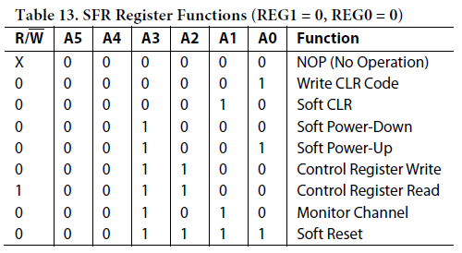
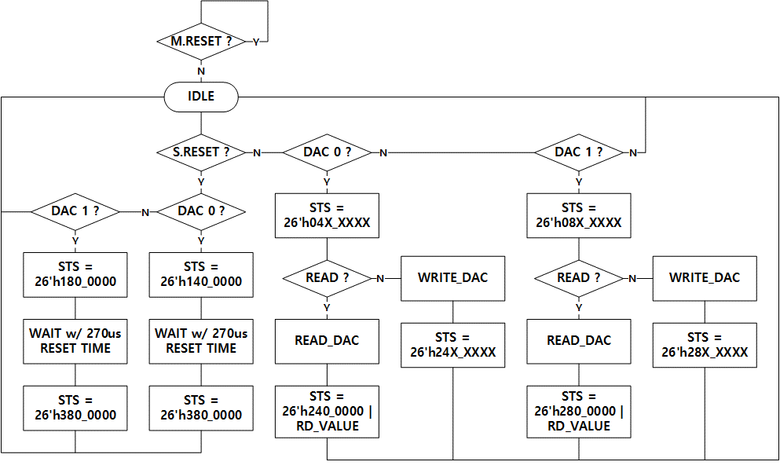
 |  |  |  |  |  |  | CMD [ 0x0000_A_020 ]
 |  |  |  |  |  |  | M.RST[27] |  | Active high, reset the Logic IP
 |  |  |  |  |  |  | S.RST[26] |  | Active high, reset the DAC-AD5381
 |  |  |  |  |  |  | DAC.0[24] |  | Active high, select DAC
 |  |  |  |  |  |  | RnW[20] |  | 1 for DAC Read, 0 for DAC Write
 |  |  |  |  |  |  | A[19:14] |  | 6-bit register address
 |  |  |  |  |  |  | REG[13:12] |  | 2-bit register select
 |  |  |  |  |  |  | DB[11:0] |  | 12-bit write data
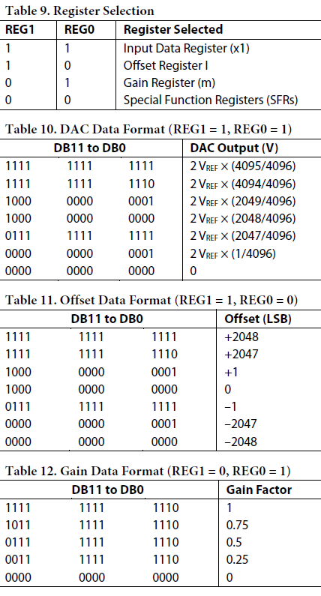
 |  |  |  |  |  |  | STATUS [ 0x0000_A_030 ]
 |  |  |  |  |  |  | EOS[27] |  | 1 indicates the end of operation
 |  |  |  |  |  |  | DB[11:0] |  | 12-bit read data

PPS
 | DEVICE | BASE | OFFSET | NAME | RW | 31 | 30 | 29 | 28 | 27 | 26 | 25 | 24 | 23 | 22 | 21 | 20 | 19 | 18 | 17 | 16 | 15 | 14 | 13 | 12 | 11 | 10 | 9 | 8 | 7 | 6 | 5 | 4 | 3 | 2 | 1 | 0
0 | PPS @ CTRL | 0000_B | 000 | NAME | RO | "PPS"
1 |  |  | 004 |  | RO
2 |  |  | 008 |  | RO
3 |  |  | 00C |  | RO
4 |  |  | 010 | VERSION | RO |  |  |  |  |  |  |  |  |  |  |  |  |  |  |  |  | MAJOR ( DECIMAL ) |  |  |  |  |  |  |  | MINOR ( DECIMAL )
5 |  |  | 014 | DATE | RO |  |  |  |  |  |  |  |  | YEAR ( DECIMAL ) |  |  |  |  |  |  |  | MONTH ( DECIMAL ) |  |  |  |  |  |  |  | DATE ( DECIMAL )
6 |  |  | 018 | DUMMY | RW
7 |  |  | 01C | DUMMY | RW
8 |  |  | 020 | CMD | RW | WR | RD |  | GLB |  |  |  | SCAN | DPS.No[23:16] |  |  |  |  |  |  |  | BURST.LENGTH[15:8] |  |  |  |  |  |  |  | PMBUS.CMD[7:0]
9 |  |  | 024 | EN | RW |  |  |  |  |  |  |  | VTT.BIAS.ON |  |  |  |  |  |  |  | PPS.12V.ON | VREF.F.EN[15:8] |  |  |  |  |  |  |  |  |  |  |  |  |  | VREF.DG.EN
10 |  |  | 028 | RUN | RW |  |  |  |  |  |  |  |  |  |  |  |  |  |  |  | VPP.RUN |  |  |  |  |  |  | PPS.RUN[9:0]
11 |  |  | 02C | PPS.SYNC | RW |  |  |  |  |  |  |  |  |  |  |  |  |  |  |  |  |  |  |  | PPS.SHR[12:8] |  |  |  |  |  |  |  | PPS.SYNC[4:0]
12 |  |  | 030 | STATUS | RO |  |  |  |  |  |  |  |  |  |  |  |  |  |  |  |  |  |  |  |  |  |  |  |  | EOS |  |  |  | ERR |  |  | BUSY
13 |  |  | 034 | PPS.FAULT | RO |  |  |  |  |  |  |  |  |  |  |  |  |  |  |  | PPS.ALERT |  |  |  |  |  |  | PPS.FAULT[9:0]
14 |  |  | 038 | VTT.FAULT | RO |  |  |  |  |  |  |  |  |  |  |  |  |  |  |  | ALERT |  |  |  |  |  |  |  |  |  |  |  |  |  |  | DUT | IO
15 |  |  | 03C
16 |  |  | 040 | RW.DATA.BUF | RW | RW.DATA.3 |  |  |  |  |  |  |  | RW.DATA.2 |  |  |  |  |  |  |  | RW.DATA.1 |  |  |  |  |  |  |  | RW.DATA.0
17 |  |  | 044 |  | RW | RW.DATA.7 |  |  |  |  |  |  |  | RW.DATA.6 |  |  |  |  |  |  |  | RW.DATA.5 |  |  |  |  |  |  |  | RW.DATA.4

270 |  |  | 438 |  | RW | RW.DATA.251 |  |  |  |  |  |  |  | RW.DATA.250 |  |  |  |  |  |  |  | RW.DATA.249 |  |  |  |  |  |  |  | RW.DATA.248
271 |  |  | 43C |  | RW | RW.DATA.255 |  |  |  |  |  |  |  | RW.DATA.254 |  |  |  |  |  |  |  | RW.DATA.253 |  |  |  |  |  |  |  | RW.DATA.252

RUN signal = RUN & nALERT
- RUN = 1일 때 동작
- ALERT 가 발생하면 바로 RUN = 0으로 되어 ALL DPS OFF
 |  |  |  |  |  |  | CMD [ 0x0000_B_020 ] |  |  |  |  |  |  |  |  |  |  |  |  |  |  |  |  |  |  |  |  |  |  | I2C_CH |  |  | Target Device |  |  | Slave Address
 |  |  |  |  |  |  | WR[31] |  | Active high, DPS write operation |  |  |  |  |  |  | BL[15:8] |  | DPS read/write byte count
 |  |  |  |  |  |  | RD[30] |  | Active high, DPS read operation |  |  |  |  |  |  |  |  | 0 means 1-Byte, max 256-Byte |  |  |  |  |  |  |  |  |  |  | LEFT CTRL | PPS_M0_I2C |  |  | PPS_0/1 |  |  | 0x48
 |  |  |  |  |  |  | GLB[28] |  | Using global addr only for WR |  |  |  |  |  |  | PMBUS.CMD |  | 8-bit PMBUS command for DPS |  |  |  |  |  |  |  |  |  |  |  | PPS_M1_I2C |  |  | PPS_2/3 |  |  | 0x48
 |  |  |  |  |  |  | DPS.No |  | 0 ~ 4 for PPS, 5 ~ 14 for CUR, 15 for VTT |  |  |  |  |  |  |  |  |  |  |  |  |  |  |  |  |  |  |  |  | PPS_M2_I2C |  |  | PPS_4/5 |  |  | 0x48
 |  |  |  |  |  |  |  |  |  |  |  |  |  |  |  |  |  |  |  |  |  |  |  |  |  |  |  |  |  | PPS_M3_I2C |  |  | PPS_6/7 |  |  | 0x48
 |  |  |  |  |  |  | EN [ 0x0000_B_024 ] |  |  |  |  |  |  |  |  |  |  | RUN [ 0x0000_B_028 ] |  |  |  |  |  |  |  |  |  |  |  | PPS_M4_I2C |  |  | PPS_8/9 |  |  | 0x48
 |  |  |  |  |  |  | VTT.BIAS.ON[24] |  |  |  | Active high |  |  |  |  |  |  | VPP0.RUN[16] |  |  |  | Active high
 |  |  |  |  |  |  | PPS.12V.ON[16] |  |  |  | Active high |  |  |  |  |  |  | PPS.RUN[9:0] |  |  |  | Active high |  |  |  |  |  |  |  | L_C_I2C0 |  |  | INA_0 |  |  | 0x48
- SCAN : scan the I2C slave address
+ CMD : SCAN, LTC.No
- LTC.No : 0 ~ 4 for PPS, 5 ~ 14 for INA, 15 for VTT
+ RESULT :
- RW.DATA.0 : slave address count
- RW.DATA.1 : desired slave address
- RW.DATA.2 ~ : scaned address.0 ~ N
 |  |  |  |  |  |  | VREF.F.EN[15:8] |  |  |  | Active high |  |  |  |  |  |  |  |  |  |  |  |  |  |  |  |  |  |  | L_C_I2C1 |  |  | INA_1 |  |  | 0x48
 |  |  |  |  |  |  | VREF.DG.EN[1:0] |  |  |  | Active high |  |  |  |  |  |  |  |  |  |  |  |  |  |  |  |  |  |  | L_C_I2C2 |  |  | INA_2 |  |  | 0x48
 |  |  |  |  |  |  |  |  |  |  |  |  |  |  |  |  |  |  |  |  |  |  |  |  |  |  |  |  |  | L_C_I2C3 |  |  | INA_3 |  |  | 0x48
 |  |  |  |  |  |  | PPS.SYNC [ 0x0000_B_02C ] |  |  |  |  |  |  |  |  |  |  |  |  |  |  |  |  |  |  |  |  |  |  | L_C_I2C4 |  |  | INA_4 |  |  | 0x48
 |  |  |  |  |  |  | PPS.SHR[12:8]
 |  |  |  |  |  |  | PPS.SYNC[4:0] |  |  |  |  |  |  |  |  |  |  |  |  |  |  |  |  |  |  |  |  |  |  | L_T_I2C_0 |  |  | PG_0_TEMP |  |  | 0x48
 |  |  |  |  |  |  |  |  |  |  |  |  |  |  |  |  |  |  |  |  |  |  |  |  |  |  |  |  |  | L_T_I2C_1 |  |  | PG_1_TEMP |  |  | 0x48
 |  |  |  |  |  |  | STATUS [ 0x0000_B_030 ] |  |  |  |  |  |  |  |  |  |  |  |  |  |  |  |  |  |  |  |  |  |  | L_T_I2C_2 |  |  | CTRL_SUP_TEMP |  |  | 0x48
 |  |  |  |  |  |  | EOS[7] |  | 1 indicates the end of operation |  |  |  |  |  |  |  |  |  |  |  |  |  |  |  |  |  |  |  |  | L_T_I2C_2 |  |  | PPS_SUP_TEMP |  |  | 0x49
 |  |  |  |  |  |  | ERR[3] |  | Active high, indicates I2C COM/ALERT/FAULT Error |  |  |  |  |  |  |  |  |  |  |  |  |  |  |  |  |  |  |  |  | L_T_I2C_3 |  |  | TG_0_TEMP |  |  | 0x48
 |  |  |  |  |  |  | BUSY[0] |  | 1 indicates that the IP is BUSY |  |  |  |  |  |  |  |  |  |  |  |  |  |  |  |  |  |  |  |  | L_T_I2C_3 |  |  | CTRL_0_TEMP |  |  | 0x49
 |  |  |  |  |  |  |  |  |  |  |  |  |  |  |  |  |  |  |  |  |  |  |  |  |  |  |  |  |  | L_T_I2C_3 |  |  | Alw_12V_TEMP |  |  | 0x4A
 |  |  |  |  |  |  | PPS.FAULT [ 0x0000_B_034 ] |  |  |  |  |  |  |  |  |  |  |  | VTT.FAULT [ 0x0000_B_038 ]
 |  |  |  |  |  |  | PPS.ALERT[16] |  |  | Active high, oring 5ea PPS module |  |  |  |  |  |  |  |  | VTT.ALERT[16] |  |  | Active high
 |  |  |  |  |  |  | PPS.FAULT[9:0] |  |  | Active high, for each PPS channel |  |  |  |  |  |  |  |  | VTT.DUT.FAULT[1] |  |  | Active high
 |  |  |  |  |  |  |  |  |  |  |  |  |  |  |  |  |  |  | VTT.IO.FAULT[0] |  |  | Active high

 |  |  |  |  |  |  | RW.DATA.BUF [ 0x0000_B_040 ~ 0x0000_B_43F ]
 |  |  |  |  |  |  | RW.DATA_0 ~ 255

CFG-PROM
 | DEVICE | BASE | OFFSET | NAME | RW | 31 | 30 | 29 | 28 | 27 | 26 | 25 | 24 | 23 | 22 | 21 | 20 | 19 | 18 | 17 | 16 | 15 | 14 | 13 | 12 | 11 | 10 | 9 | 8 | 7 | 6 | 5 | 4 | 3 | 2 | 1 | 0
0 | CFG-RPOM @ CTRL | 0000_E | 000 | NAME | RO | "CFG-PROM"
1 |  |  | 004 |  | RO
2 |  |  | 008 |  | RO
3 |  |  | 00C |  | RO
4 |  |  | 010 | VERSION | RO |  |  |  |  |  |  |  |  |  |  |  |  |  |  |  |  | MAJOR ( DECIMAL ) |  |  |  |  |  |  |  | MINOR ( DECIMAL )
5 |  |  | 014 | DATE | RO |  |  |  |  |  |  |  |  | YEAR ( DECIMAL ) |  |  |  |  |  |  |  | MONTH ( DECIMAL ) |  |  |  |  |  |  |  | DATE ( DECIMAL )
6 |  |  | 018 | DUMMY | RW
7 |  |  | 01C | DUMMY | RW
8 |  |  | 020 | ADDR | RW | ADDR[31:0]
9 |  |  | 024 | CMD | RW |  |  |  |  |  |  |  |  |  |  |  |  |  |  |  |  | WR | RD |  |  |  |  |  | ERASE | BURST.LENGTH[7:0]
10 |  |  | 028 | REBOOT | RW |  |  |  |  |  |  |  |  |  |  |  |  |  |  |  |  |  |  |  |  |  |  |  |  |  |  |  |  |  |  |  | BOOT
11 |  |  | 02C |  | RW
12 |  |  | 030 | STATUS | RO |  |  |  |  |  |  |  |  |  |  |  |  |  |  |  |  |  |  |  |  |  |  |  |  | EOS |  |  |  | ERR |  |  | BUSY
13 |  |  | 034
14 |  |  | 038
15 |  |  | 03C
16 |  |  | 040 | RW.DATA.BUF | RW | RW.DATA.3 |  |  |  |  |  |  |  | RW.DATA.2 |  |  |  |  |  |  |  | RW.DATA.1 |  |  |  |  |  |  |  | RW.DATA.0
17 |  |  | 044 |  | RW | RW.DATA.7 |  |  |  |  |  |  |  | RW.DATA.6 |  |  |  |  |  |  |  | RW.DATA.5 |  |  |  |  |  |  |  | RW.DATA.4

270 |  |  | 438 |  | RW | RW.DATA.251 |  |  |  |  |  |  |  | RW.DATA.250 |  |  |  |  |  |  |  | RW.DATA.249 |  |  |  |  |  |  |  | RW.DATA.248
271 |  |  | 43C |  | RW | RW.DATA.255 |  |  |  |  |  |  |  | RW.DATA.254 |  |  |  |  |  |  |  | RW.DATA.253 |  |  |  |  |  |  |  | RW.DATA.252

ERASE : 1 sector( 64 KB size )
 |  |  |  |  |  |  | ADDR [ 0x0000_E_020 ]
 |  |  |  |  |  |  | ADDR[31:0] |  | PROM address

 |  |  |  |  |  |  | CMD [ 0x0000_E_024 ]
 |  |  |  |  |  |  | WR[15] |  | Active high, write operation
 |  |  |  |  |  |  | RD[14] |  | Active high, read operation
 |  |  |  |  |  |  | ERASE[8] |  | Active high, 1 sector(64KB) erase operation
 |  |  |  |  |  |  | BL[7:0] |  | Read/write byte count
 |  |  |  |  |  |  |  |  | 0 means 1-Byte, max 256-Byte

 |  |  |  |  |  |  | REBOOT [ 0x0000_E_027 ]
 |  |  |  |  |  |  | BOOT[0] |  | Active high, set 1 to reboot FPGA

 |  |  |  |  |  |  | STATUS [ 0x0000_E_030 ]
 |  |  |  |  |  |  | EOS[7] |  | 1 indicates the end of operation
 |  |  |  |  |  |  | ERR[3] |  | Active high, indicates Error
 |  |  |  |  |  |  | BUSY[0] |  | 1 indicates that the IP is BUSY

 |  |  |  |  |  |  | RW.DATA.BUF [ 0x0000_E_040 ~ 0x0000_E_43F ]
 |  |  |  |  |  |  | RW.DATA_0 ~ 255

